GearBox And Motor Selection
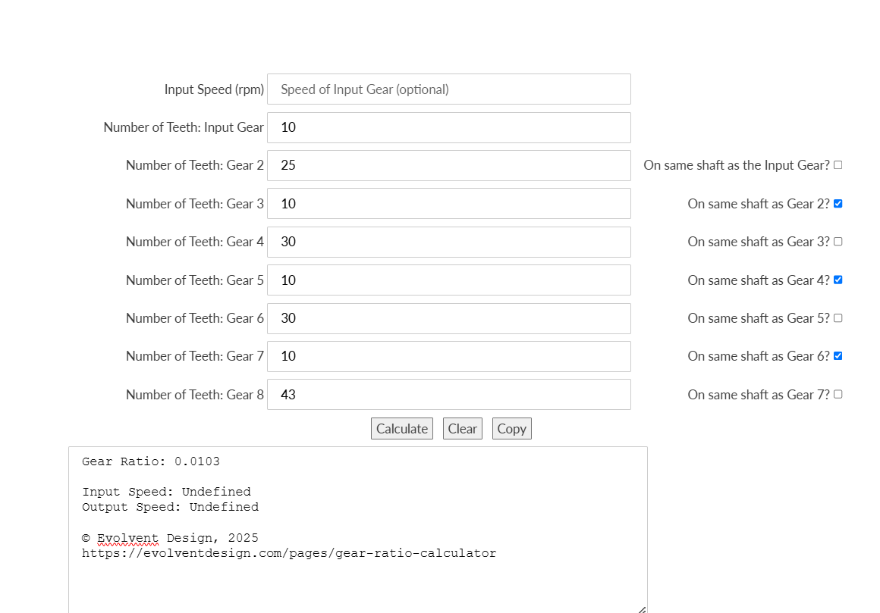
sno | Motor RPM | Gear Box Ration |  | Constants | Values |  | Gare Ratio Cal | https://evolventdesign.com/pages/gear-ratio-calculator?srsltid=AfmBOorcHJ1AHDwdleb0lrDJYIkry3GxTCYn_GHOenPLEUOGfKxU7l3e
1 | 100 | 0.0178 |  | PG | 32 |  |  |  |  |  |  |  |  |  |  |  | 60RPM Motor (JGB37-520-12V-60R)
2 | 66 | 0.0111 |  | FFG | 32
3 | 60 | 0.0103 |  | IG | 16
4 | 75 |  |  | LPR | 11
5 | 85 |  |  | ACC | 5000

sno | Motor RPM | Base Motor RPM Input | Base Motor Feedback Function RPM Lower Limit | Base Motor Feedback Function RPM Upper Limit | Gear Box Ratio | Shaft RPM Lower Limt | Shaft RPM Upper Limit | Average RPM (Lower Limt + Upper Limt ) /2 | Intended Shaft RPM | LPR | Actual Shaft RPM | Safe Limits | Filtered Output By Program Arduino Rhino_003_7_008_5_014_2 | Filtered Output By Program Arduino Rhino_003_7_008_5_014_3 | RPM Deviation Rhino_003_7_008_5_014_2 | RPM Deviation Rhino_003_7_008_5_014_3
1 | 66 | 100 | 0 | 540 | 0.0111 | 0 | 5.994 | 2.997 | 1.11 | 11 | 1.2 |  | No Data
2 | 66 | 500 | 0 | 1080 | 0.0111 | 0 | 11.988 | 5.994 | 5.55 | 11 | 5.6 |  | No Data
3 | 66 | 1000 | 600 | 1200 | 0.0111 | 6.66 | 13.32 | 9.99 | 11.1 | 10 | 10
4 | 66 | 1000 | 540 | 1080 | 0.0111 | 5.994 | 11.988 | 8.991 | 11.1 | 11 | 11.2 | SAFE MIN Limit For RPM No Load | 8.99 |  | 2.21
5 | 66 | 1000 | 990 | 1500 | 0.0111 | 10.989 | 16.65 | 13.8195 | 11.1 | 12 | 12.1
6 | 66 | 1500 | 1080 | 1635 | 0.0111 | 11.988 | 18.1485 | 15.06825 | 16.65 | 11 | 16.8 | CutOff RPM (i.e,15) On Load | 15.07 |  | 1.73
7 | 66 | 2000 | 1635 | 2175 | 0.0111 | 18.1485 | 24.1425 | 21.1455 | 22.2 | 11 | 22 |  | 21.15 |  | 0.85
8 | 66 | 2500 | 2400 | 3000 | 0.0111 | 26.64 | 33.3 | 29.97 | 27.75 | 10 | 25.5
9 | 66 | 2500 | 2175 | 2715 | 0.0111 | 24.1425 | 30.1365 | 27.1395 | 27.75 | 11 | 28 |  | 27.14 |  | 0.86
10 | 66 | 2500 | 1995 | 3000 | 0.0111 | 22.1445 | 33.3 | 27.72225 | 27.75 | 12 | 30.8
11 | 66 | 3000 | 2715 | 3270 | 0.0111 | 30.1365 | 36.297 | 33.21675 | 33.3 | 11 | 33.5 |  | 33.22 |  | 0.28
12 | 66 | 3500 | 3270 | 3810 | 0.0111 | 36.297 | 42.291 | 39.294 | 38.85 | 11 | 39 |  | 39.29 |  | -0.29
13 | 66 | 4000 | 3810 | 4350 | 0.0111 | 42.291 | 48.285 | 45.288 | 44.4 | 11 | 44.5 |  | 45.29 |  | -0.79
14 | 66 | 4500 | 4350 | 4905 | 0.0111 | 48.285 | 54.4455 | 51.36525 | 49.95 | 11 | 55 |  | 51.37 |  | 3.63
15 | 66 | 5000 | 4800 | 5400 | 0.0111 | 53.28 | 59.94 | 56.61 | 55.5 | 10 | 50
16 | 66 | 5000 | 5445 | 4905 | 0.0111 | 60.4395 | 54.4455 | 57.4425 | 55.5 | 11 | 56 |  | 57.44 |  | -1.44
17 | 66 | 5000 | 4995 | 4995 | 0.0111 | 55.4445 | 55.4445 | 55.4445 | 55.5 | 12 | 61
18 | 66 | 5500 | 5445 | 6000 | 0.0111 | 60.4395 | 66.6 | 63.51975 | 61.05 | 11 | 61.2 |  |  | 57.445 |  | 3.755
19 | 66 | 6000 | 6000 | 6000 | 0.0111 | 66.6 | 66.6 | 66.6 | 66.6 | 10 | 61
20 | 66 | 6000 | 5445 | 6000 | 0.0111 | 60.4395 | 66.6 | 63.51975 | 66.6 | 11 | 67 | MAX Limit For RPM |  | 57.445 |  | 9.555
21 | 66 | 6000 | 5490 | 6000 | 0.0111 | 60.939 | 66.6 | 63.7695 | 66.6 | 12 | 69
22 | 66 | 6500 | 6000 | 6540 | 0.0111 | 66.6 | 72.594 | 69.597 | 72.15 | 11 | 72.8
23 | 66 | 7500 | 6600 | 7200 | 0.0111 | 73.26 | 79.92 | 76.59 | 83.25 | 10 | 70
24 | 66 | 7500 | 6000 | 6540 | 0.0111 | 66.6 | 72.594 | 69.597 | 83.25 | 11 | 67
25 | 66 | 7500 | 5490 | 6000 | 0.0111 | 60.939 | 66.6 | 63.7695 | 83.25 | 12 | 70
26 | 60 | 100 | 0 | 540 | 0.0103 | 0 | 5.562 | 2.781 | 1.03 | 11
27 |  | 500 | 0 | 1080 | 0.0103 | 0 | 11.124 | 5.562 | 5.15 | 11
28 |  | 1000 | 540 | 1080 | 0.0103 | 5.562 | 11.124 | 8.343 | 10.3 | 11 |  | SAFE MIN Limit For RPM No Load
29 |  | 1500 | 1080 | 1635 | 0.0103 | 11.124 | 16.8405 | 13.98225 | 15.45 | 11
30 |  | 2000 | 1635 | 2175 | 0.0103 | 16.8405 | 22.4025 | 19.6215 | 20.6 | 11
31 |  | 2500 | 2175 | 2715 | 0.0103 | 22.4025 | 27.9645 | 25.1835 | 25.75 | 11
32 |  | 3000 | 2715 | 3270 | 0.0103 | 27.9645 | 33.681 | 30.82275 | 30.9 | 11
33 |  | 3500 | 3270 | 3810 | 0.0103 | 33.681 | 39.243 | 36.462 | 36.05 | 11
34 |  | 4000 | 3810 | 4350 | 0.0103 | 39.243 | 44.805 | 42.024 | 41.2 | 11
35 |  | 4500 | 4350 | 4905 | 0.0103 | 44.805 | 50.5215 | 47.66325 | 46.35 | 11
36 |  | 5000 | 5445 | 4905 | 0.0103 | 56.0835 | 50.5215 | 53.3025 | 51.5 | 11
37 |  | 5500 | 5445 | 6000 | 0.0103 | 56.0835 | 61.8 | 58.94175 | 56.65 | 11
38 |  | 6000 | 5445 | 6000 | 0.0103 | 56.0835 | 61.8 | 58.94175 | 61.8 | 11 |  | MAX Limit For RPM
39 |  | 6500 | 6000 | 6540 | 0.0103 | 61.8 | 67.362 | 64.581 | 66.95 | 11
40 |  | 7500 | 6000 | 6540 | 0.0103 | 61.8 | 67.362 | 64.581 | 77.25 | 11
41 |  |  |  |  |  | 0 | 0 | 0
42 |  |  |  |  |  | 0 | 0 | 0
43 |  |  |  |  |  | 0 | 0 | 0
44 |  |  |  |  |  | 0 | 0 | 0
45 |  |  |  |  |  | 0 | 0 | 0
46 |  |  |  |  |  | 0 | 0 | 0
47 |  |  |  |  |  | 0 | 0 | 0
48 |  |  |  |  |  |  | 0
49 |  |  |  |  |  |  | 0
50 |  |  |  |  |  |  | 0
51 |  |  |  |  |  |  | 0
52 |  |  |  |  |  |  | 0
53 |  |  |  |  |  |  | 0
54 |  |  |  |  |  |  | 0
55 |  |  |  |  |  |  | 0
56 |  |  |  |  |  |  | 0
57 |  |  |  |  |  |  | 0
58 |  |  |  |  |  |  | 0
59 |  |  |  |  |  |  | 0
60 |  |  |  |  |  |  | 0
61 |  |  |  |  |  |  | 0
62 |  |  |  |  |  |  | 0
63 |  |  |  |  |  |  | 0
64 |  |  |  |  |  |  | 0
65 |  |  |  |  |  |  | 0
66
67
68
69
70
71
72
73
74
75
76
77
78
79
80
81
82
83
84
85
86
87
88
89
90
91
92
93
94
95
96
97
98
99
100
101
102
103
104
105
106
107

